ART
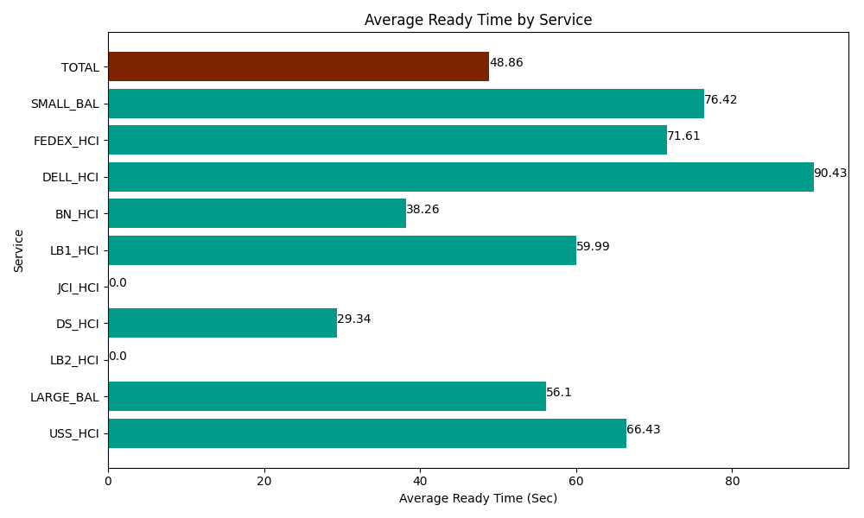
Date | Service | Successful Op Transfer | In Call (Sec) | Ready (Sec) | Wrapup (Sec) | Not Ready (Sec) | Average Ready Time (Sec)
05-31-2024 | USS_HCI | 250 | 38416.801758 | 16606.799927 | 40315.198975 | 23551.199341 | 66.43
05-31-2024 | LARGE_BAL | 2 | 204.00000572 | 112.20000029 | 187.19999313 | 214.19999599 | 56.1
05-31-2024 | LB2_HCI | 0 | 0 | 64.200003147 | 0 | 91.799998283 | 0
05-31-2024 | DS_HCI | 417 | 30180 | 12235.19989 | 37845 | 114385.20264 | 29.34
05-31-2024 | JCI_HCI | 0 | 0 | 0 | 0 | 0 | 0
05-31-2024 | LB1_HCI | 192 | 16230 | 11518.799744 | 19525.200806 | 20281.799927 | 59.99
05-31-2024 | BN_HCI | 842 | 49996.201172 | 32218.198242 | 69896.99707 | 36935.998535 | 38.26
05-31-2024 | DELL_HCI | 69 | 6205.1998901 | 6240 | 23106.000366 | 7070.9999084 | 90.43
05-31-2024 | FEDEX_HCI | 26 | 1395 | 1861.8000412 | 1373.9999771 | 414.00000572 | 71.61
05-31-2024 | SMALL_BAL | 19 | 1183.1999588 | 1452.0000458 | 1639.7999954 | 682.80000687 | 76.42
 | TOTAL | 1817 | 143810.40278 | 82309.197893 | 193889.39718 | 203628.00035 | 48.86

